Contents
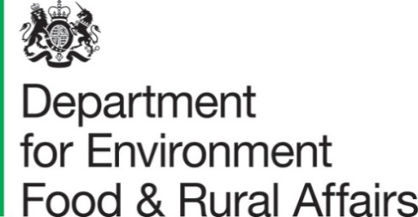
 |  |  | Structure of the agricultural industry in England and the UK at June - GOV.UK (www.gov.uk)

United Kingdom land areas, livestock numbers and agricultural workforce on agricultural holdings on 1 June

Contents

UK timeseries
Metadata

Enquiries on this dataset to: Farming Statistics, Department for Environment, Food and Rural Affairs
Tel: 03000 600170, | email: | farming-statistics@defra.gov.uk

Updated on 20 December 2022

